BE - TEST CASE
Test Case ID | Test Case Type | Priority | Scenario | Description | cuRL Code / RAW Text | Test Data | Request Type | Test Step Detail | Pre-Condition(s) | Expected Result | Actual Result | Status | Remarks | Attachment(s)
TC_Petstore_001 | Positive | High | Create Single User Successfully via createWithList | Success creat a user | curl --location 'https://petstore.swagger.io/v2/user/createWithList' \ --header 'accept: application/json' \ --header 'Content-Type: application/json' \ --data-raw '[ { "id": 0, "username": "demoUser", "firstName": "John", "lastName": "Doe", "email": "john.doe@example.com", "password": "password123", "phone": "123456789", "userStatus": 0 } ]' | [ { "id": 0, "username": "demoUser", "firstName": "John", "lastName": "Doe", "email": "john.doe@example.com", "password": "password123", "phone": "123456789", "userStatus": 0 } ] | POST | 1. Send the request data to endpoint /user/createWithList' |  | { "code": 200, "type": "unknown", "message": "ok" } | { "code": 200, "type": "unknown", "message": "ok" } | Passed | Data in the response matched the request payload as expected.
TC_Petstore_002 | Negative | High | Create User with Empty payload | Should return error code | curl --location 'https://petstore.swagger.io/v2/user/createWithList' \ --header 'accept: application/json' \ --header 'Content-Type: application/json' \ --data-raw '[ { } ]' | { } | POST | 1. Send the request data to endpoint /user/createWithList' | - Delete data on payload | 400 Unknown data | { "code": 200, "type": "unknown", "message": "ok" } | Failed | The API unexpectedly returned HTTP 200 OK instead of a validation error. | 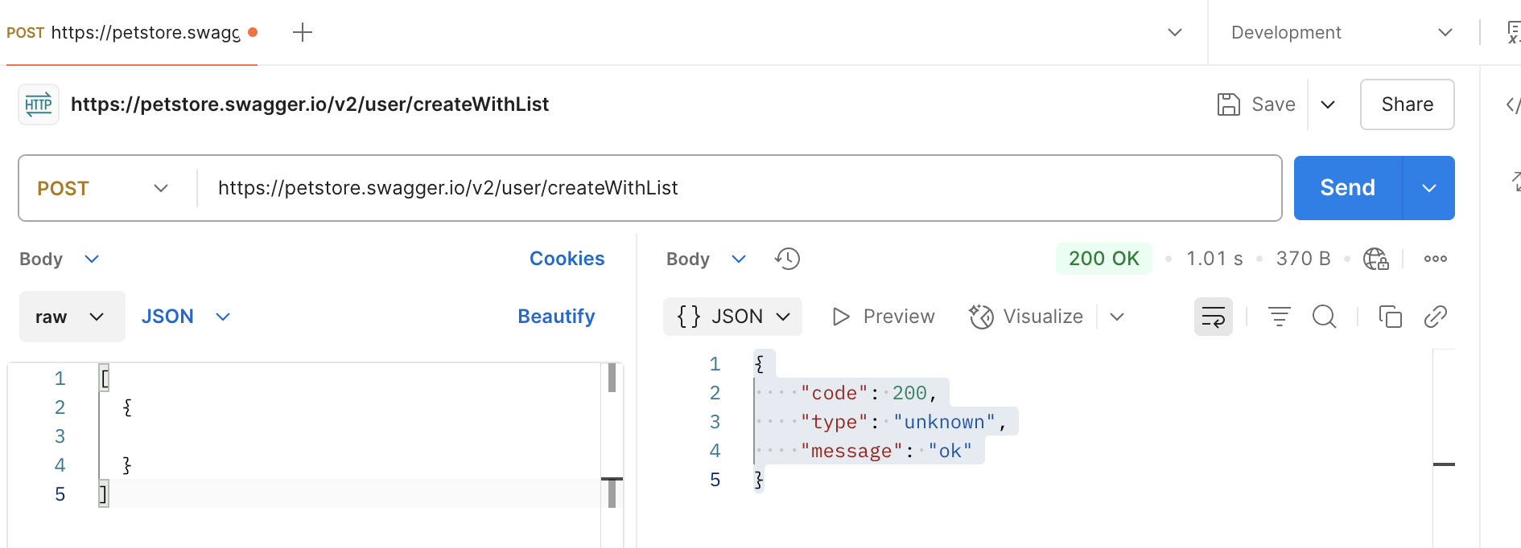
TC_Petstore_003 | Positive | High | Update existing username successfully | A valid user already exists in the system (e.g., username = demoUser) | curl -X 'PUT' \ 'https://petstore.swagger.io/v2/user/demoUser' \ -H 'accept: application/json' \ -H 'Content-Type: application/json' \ -d '[ { "id": 0, "username": "demoUser", "firstName": "John", "lastName": "Doe", "email": "john.doe@example.com", "password": "password123", "phone": "123456789", "userStatus": 0 } ]' | [ { "id": 0, "username": "demoUser", "firstName": "John", "lastName": "Doe", "email": "john.doe@example.com", "password": "password123", "phone": "123456789", "userStatus": 0 } ] | PUT | 1. Send the request data to endpoint /updated user | A valid user already exists in the system (e.g., username = testuser). | { "code": 200, "type": "unknown", "message": "9223372036854775807" } | { "code": 200, "type": "unknown", "message": "9223372036854775807" } | Passed | API returns HTTP 200 OK with a success message and updated user details.
TC_Petstore_004 | Negative | Medium | Update user with invalid username | A valid user exists (e.g., username = testuser) | curl --location --request PUT 'https://petstore.swagger.io/v2/user/demoUser' \ --header 'accept: application/json' \ --header 'Content-Type: application/json' \ --data-raw ' { "id": 0, "username": "", "firstName": "John", "lastName": "Doe", "email": "john.doe@example.com", "password": "password123", "phone": "123456789", "userStatus": 0 } ' | { "id": 0, "username": "", "firstName": "John", "lastName": "Doe", "email": "john.doe@example.com", "password": "password123", "phone": "123456789", "userStatus": 0 } | PUT /user/{username} | 1. Send the request data to endpoint /updated user |  | 400 Bad Request – "Invalid user supplied" | { "code": 200, "type": "unknown", "message": "9223372036854775807" } | Failed | Possible bug or missing validation: the API does not enforce proper username format and allows updates with invalid identifiers.

FE - Test
Dummy Web - https://www.saucedemo.com/
Test Case ID | Test Case Type | Priority | Scenario | Description | Test Data | Test Step | Pre-Condition(s) | Expected Result | Actual Result | Status | Attachment(s) | Remarks
LG_001 | Positive | High | Login with valid credentials | As a user I want to login using valid credential | - username = standard_user - password = secret_sauce | 1. Open demo web app 2. Input a valid username in the Username field. 3. Enter the correct password in the Password field 4. Click the Login button. | User has access to the login page. | User successfully logs in and is redirected to the dashboard/home page with no error messages | User was redirected to the dashboard/home list item | Passed | 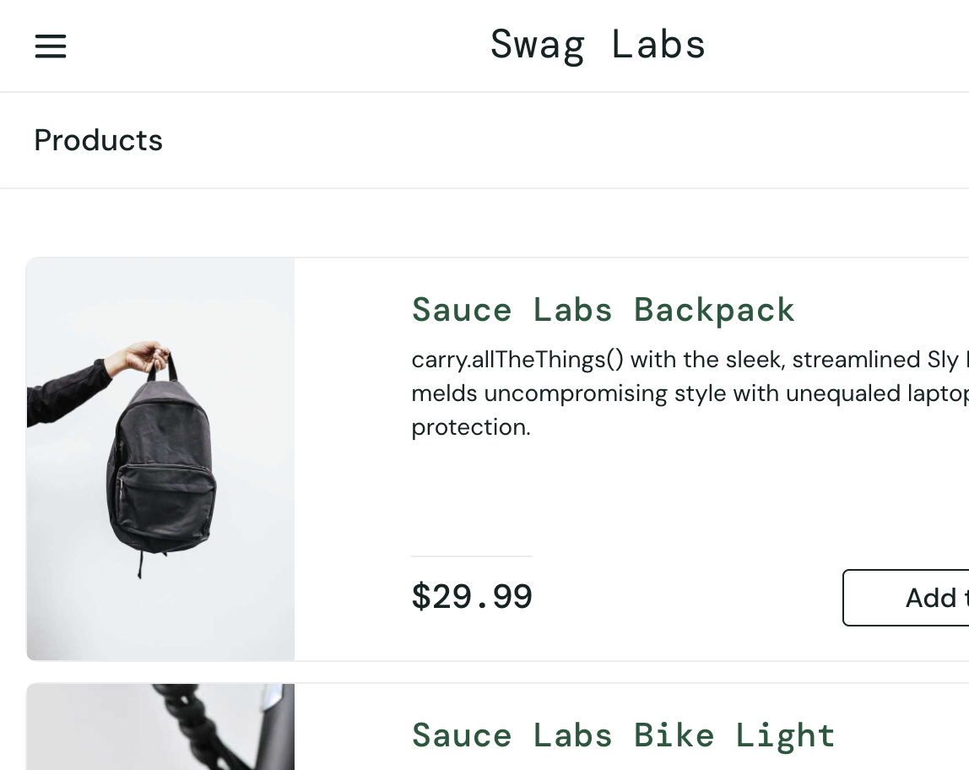
LG_002 | Positive | High | Login with invalid password | As a user I want to login with invalid password | - username = standard_user - password = secret_t | 1. Open demo web app 2. Input a valid username in the Username field. 3. Enter an invalid username or password (e.g., testscript 4. Click the Login button. | User is on the login page. | Error message display : is Epic sadface: Password is required | System displayed the message: “Epic sadface: Password is required. | Passed | 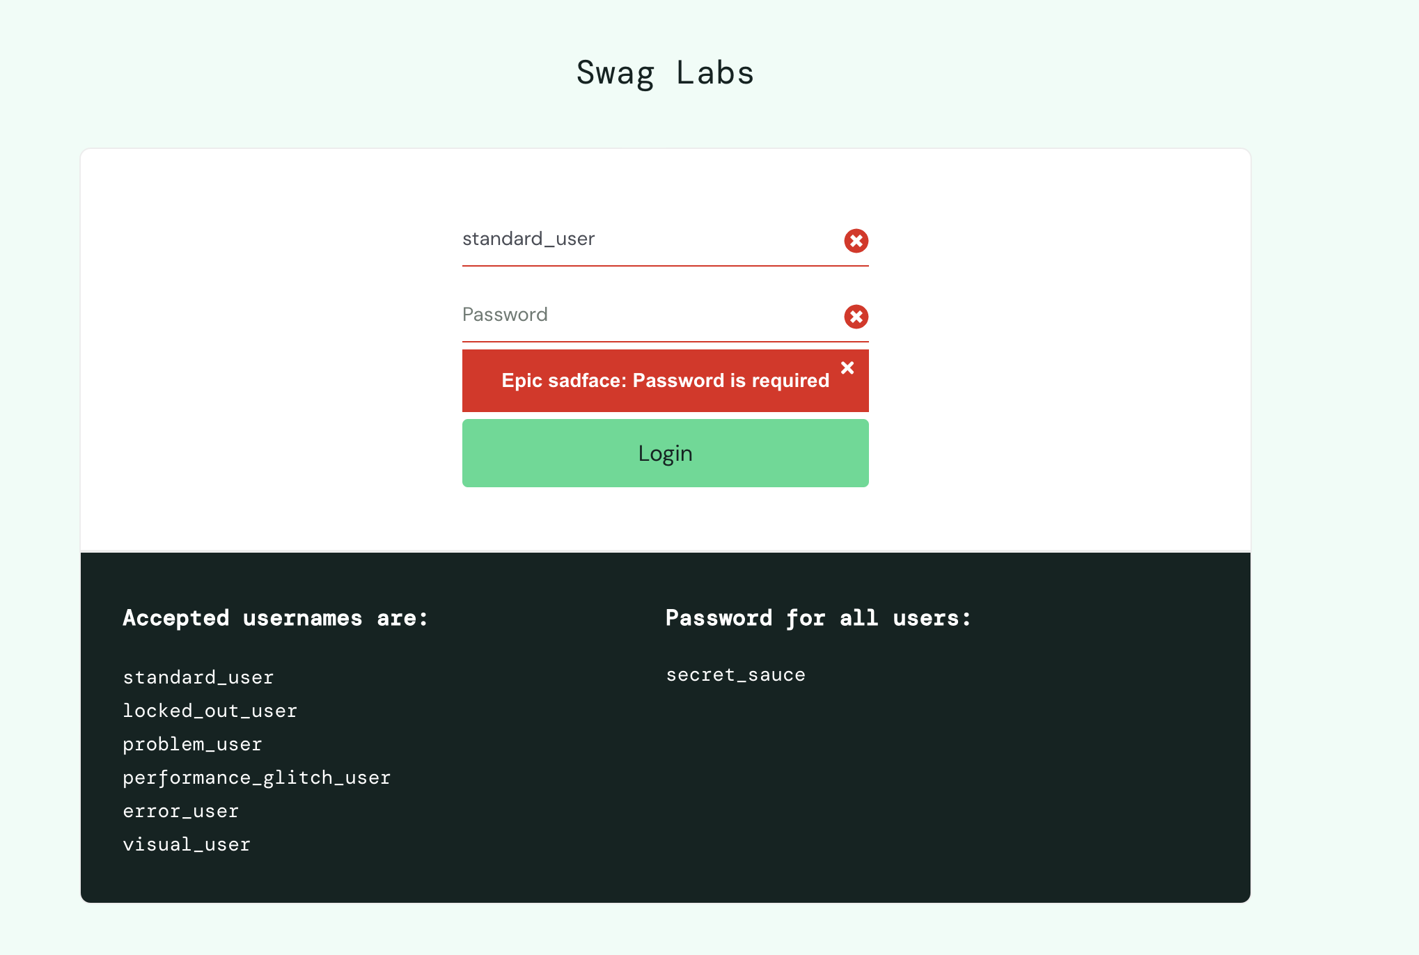
LG_003 | Positive | High | Login with invalid username | As a user I want to login with invalid username | - username =standrat - password = secret_sauce | 1. Open demo web app 2. Input an invalid username in the Username field. 3. Input valid password (e.g., secret_sauce 4. Click the Login button. | User is on the login page. | Error mesage display : Epic sadface: Username and password do not match any user in this service | System displayed the message: Epic sadface: Username and password do not match any user in this service | Passed | 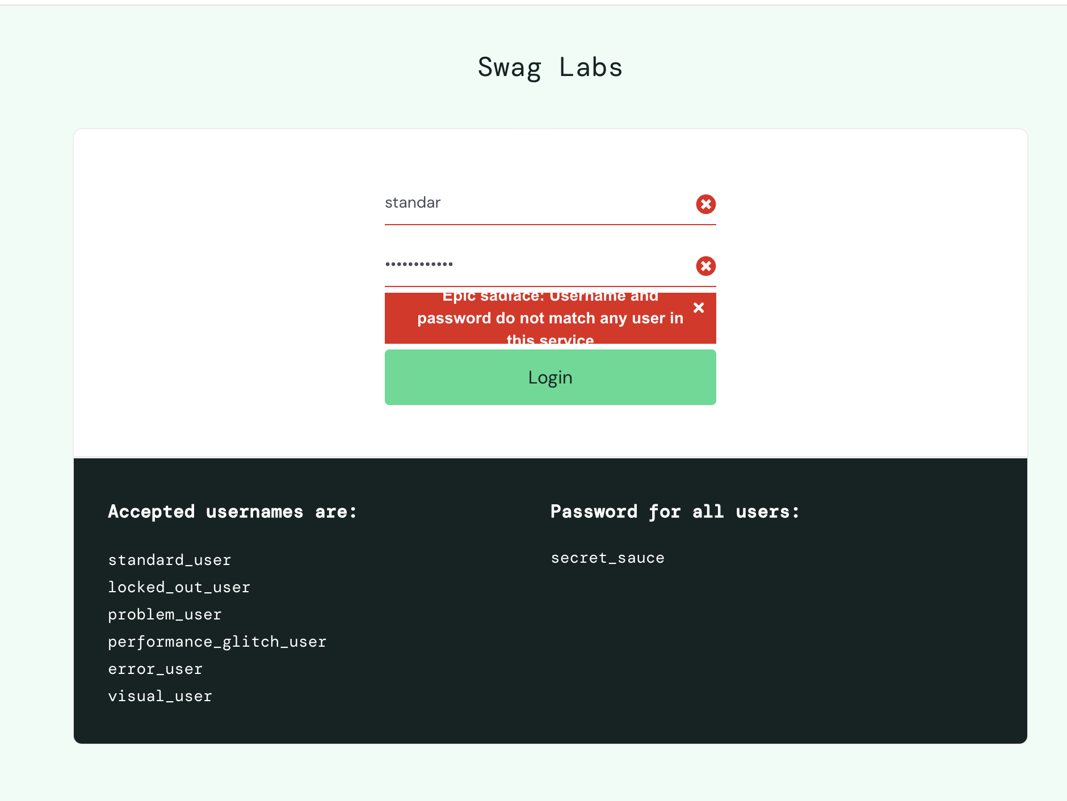
LG_004 | Positive | High | Login with empty field username and password | As a user I want to login with empty username and password | - username = - password = | 1. Open demo web app 2. Empty username in the Username field. | User is on the login page. | Error mesage display : Epic sadface: Username is required | Epic sadface: Username is required | Passed | 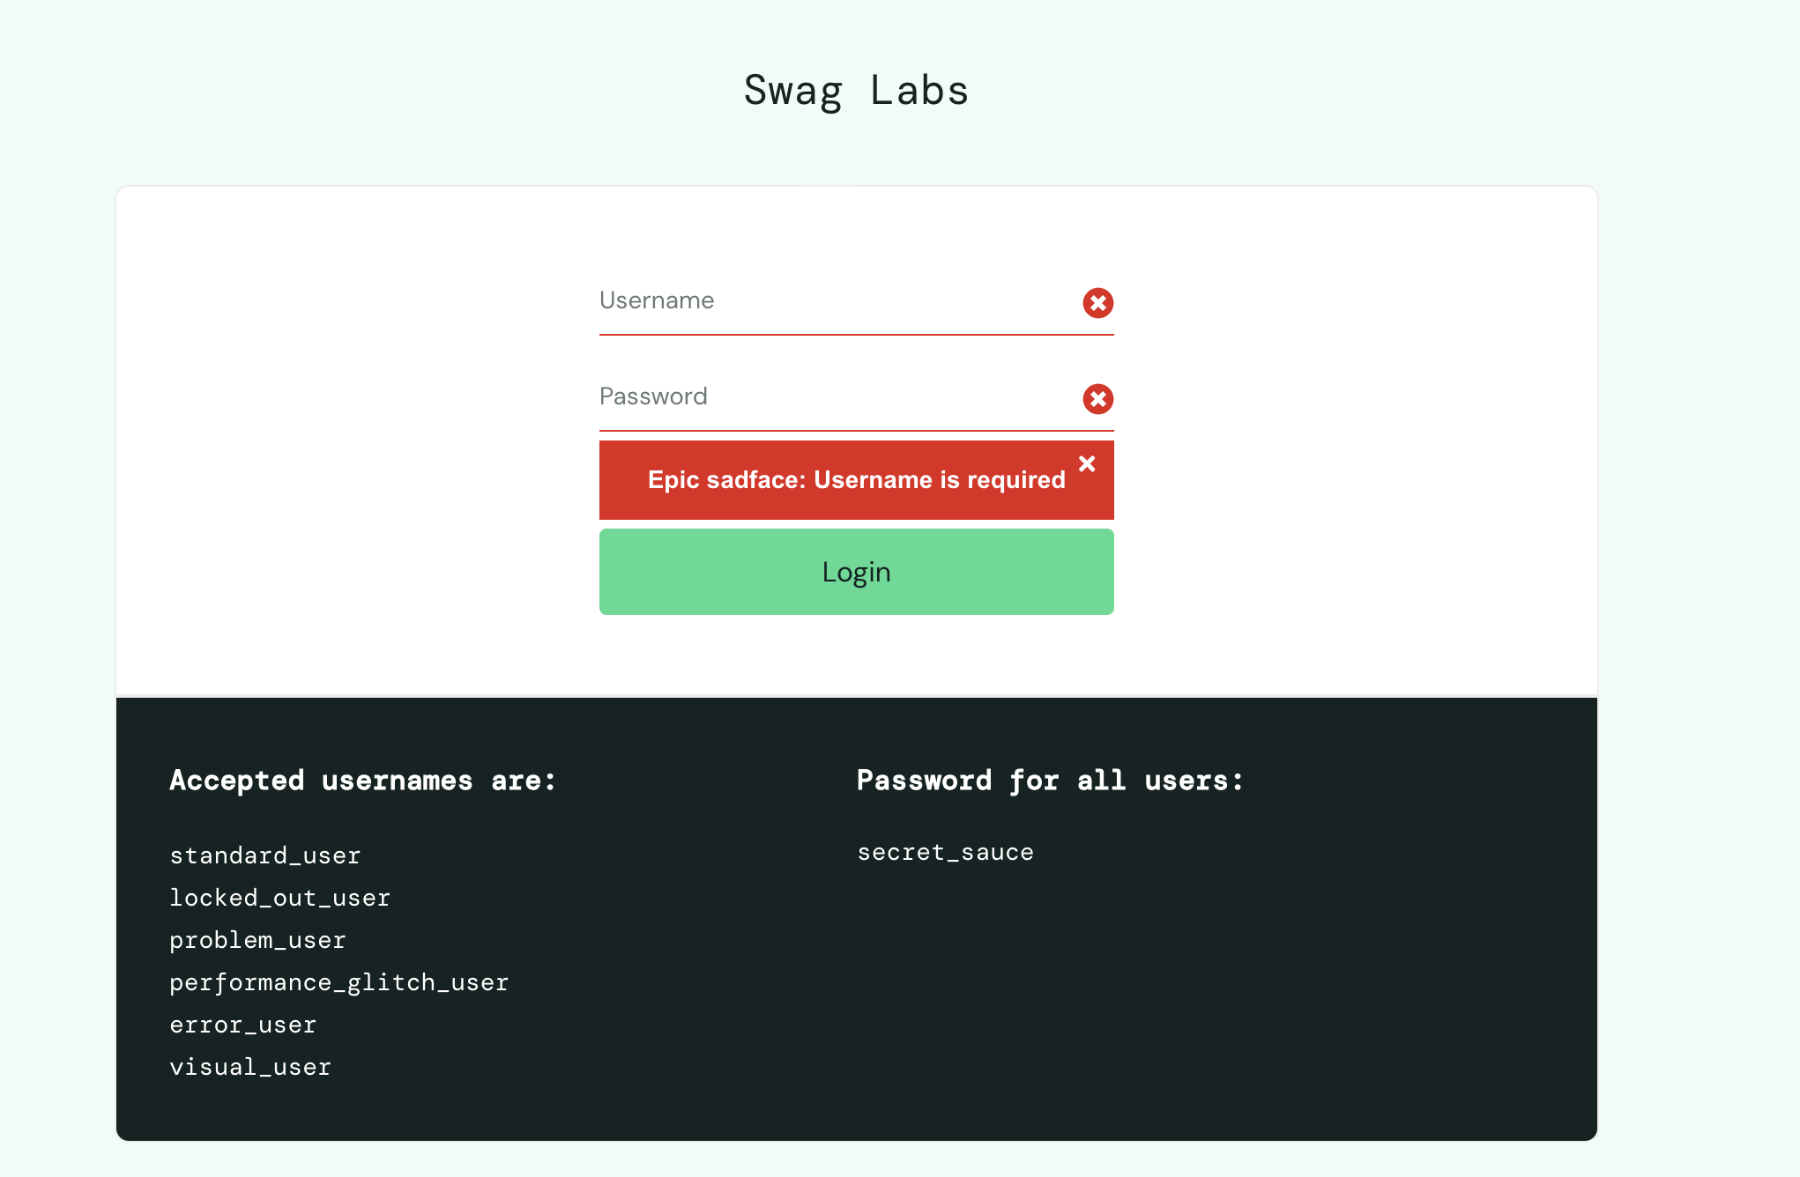
LG_005 | Positive | High | Filter Price | As a user I want to Filter price low to high | Filter the price low to high | 1. Click on the icon filter on the right of the page 2. Click Low to high | - User is already logged in - User in the list of product | The price is filtering from low to high | The price is filtering from low to high | Passed | 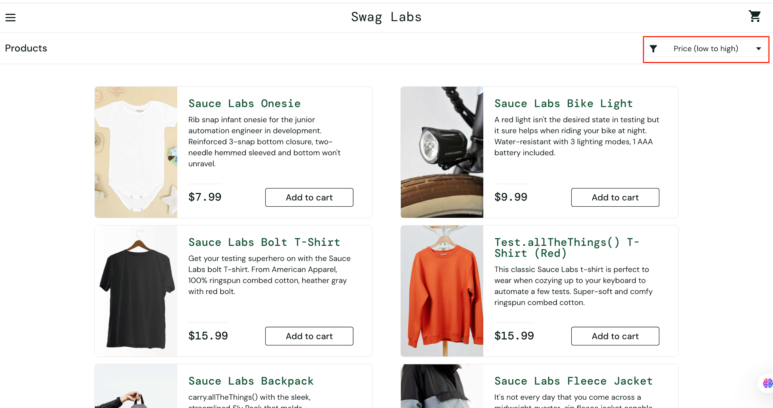
LG_006 | Positive | High | Filter Price | As a user I want to Filter price high to low | Filter the price high to low | 1. Click on the icon filter on the right of the page 2. Click high to low | - User is already logged in - User in the list of product | The price is filtering from high to low | The price is filtering from high to low | Passed | 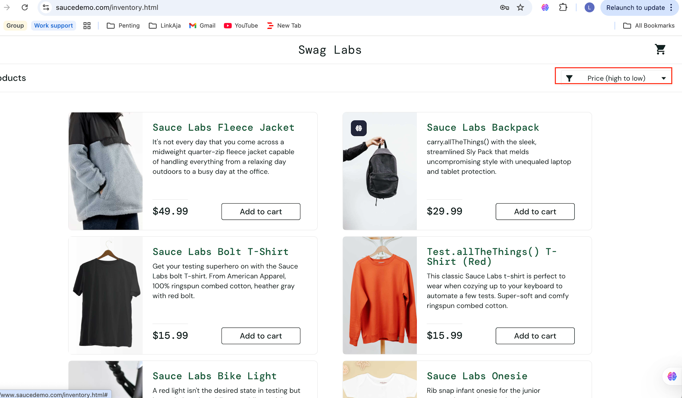
LG_007 | Positive | High | Add Items to Cart | As a user, I want to add some item to the cart |  | 1.Click on "Add to cart" for some item | - User is already logged in - user in the page of item list | The item should be successfully added, and the cart icon should update to show the correct number of items | The successfully added, and the cart icon update to show the correct number of items | Passed | 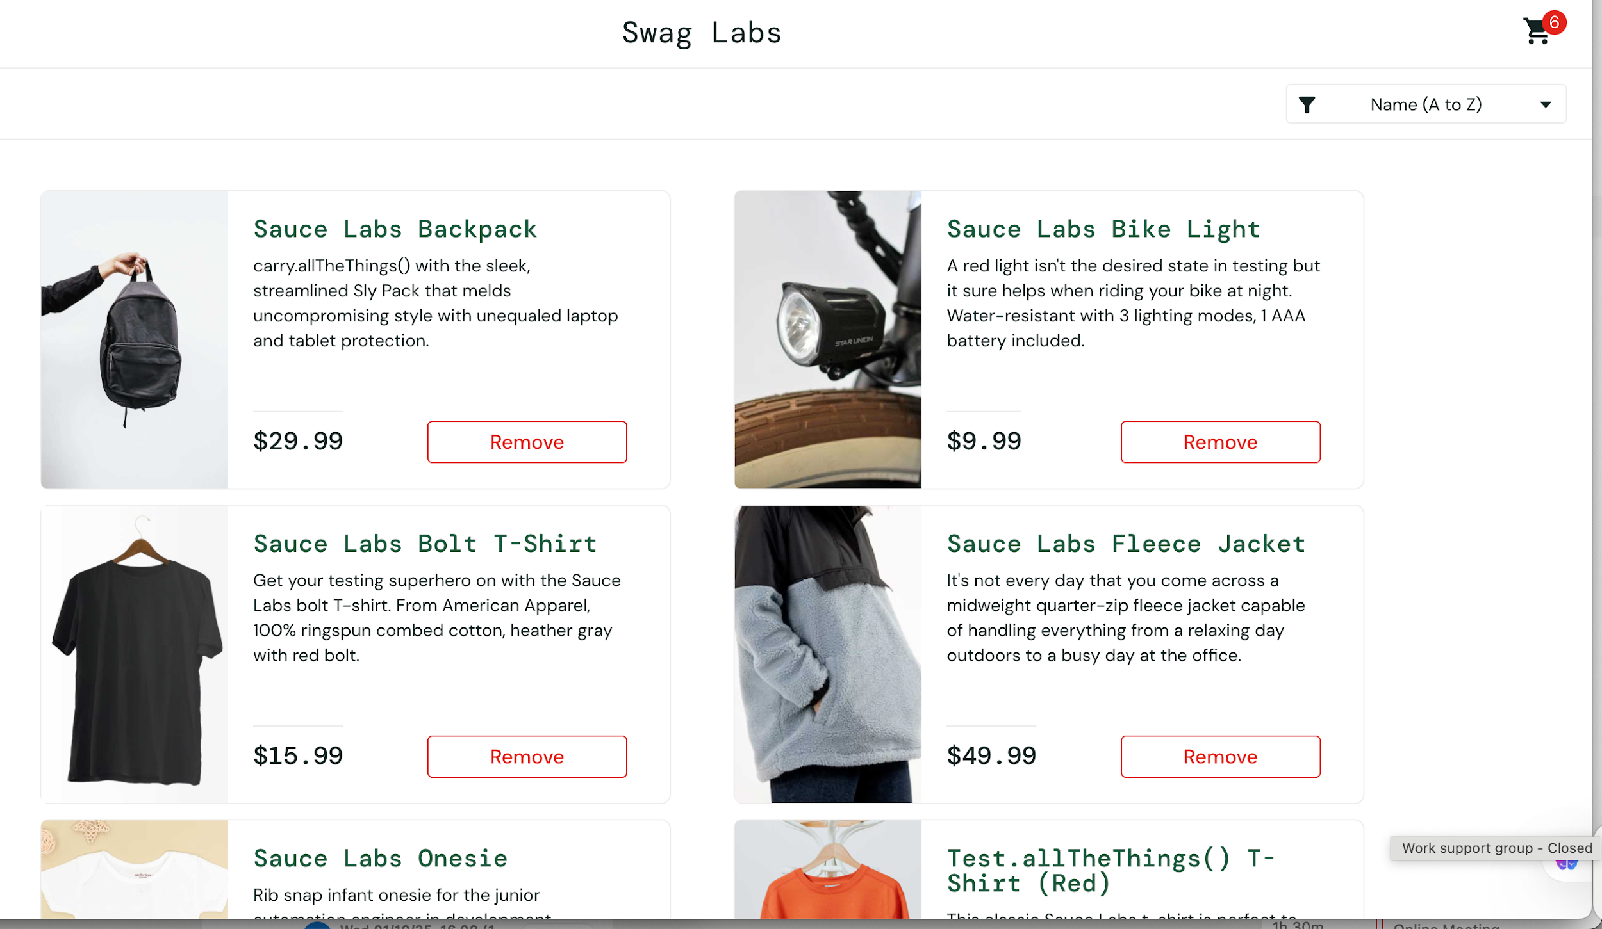
LG_008 | Positive | High | Cart | The cart icon to view the list of items |  | 1. Click the cart icon. | - User is already logged in - user is already add to cart some items | The cart page should display the list of items added. | The cart page display the list of items already added | Passed | 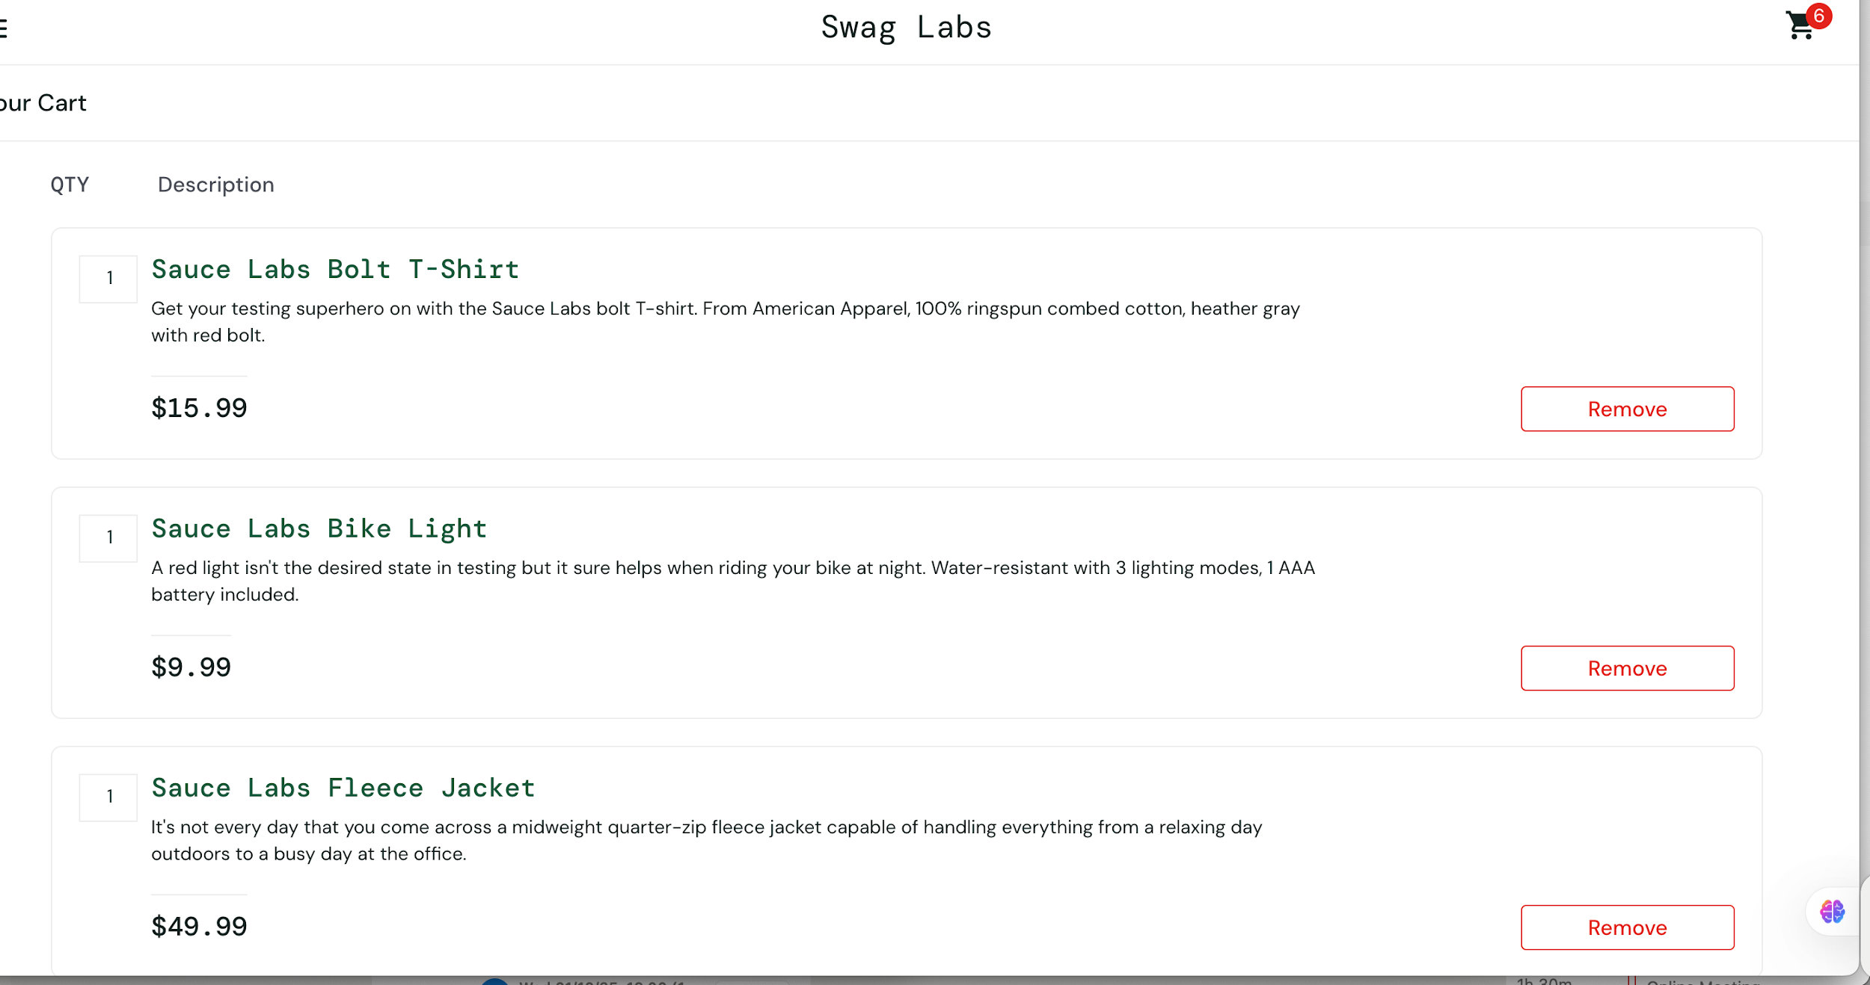
LG_009 | Positive | High |  |  |  |  |  |  |  | Passed
LG_010 | Positive | High |  |  |  |  |  |  |  | Passed
LG_011 | Positive | High
 | Positive

Defect List
ID | Issue Found Date & Time (MM/DD/YYYY, hh:mm) | Journey / Submodule | Defects Description | Steps to Reproduce | Severity | Expected Result | Actual Result | Device Testing | Attachments - Link Defect Folder | Remarks
D.001 | 01/01/2025 | Cart Page | The item quantity in the cart cannot be clicked or changed | 1. Add an item to the cart. 2. Try to change the item quantity in the cart. | High | The user should be able to click and change the item quantity | The item quantity cannot be clicked or modified. | Desktop Web | 